User Notes
 |  |  | 
Salix Finance - Multiple Fuel Compliance Tool

GUIDANCE NOTES
The following section is designed to give some clear guidance on filling out the 'Project Compliance Tool' tab so that you can assess the compliancy of projects with multiple fuel types.

● Enter project details in the 'Project Compliance Tool' tab as shown in the example below:

● The next step is to enter information for each fuel type. This needs to be entered on the second tab 'Project 1 data input'. ● Enter the details for each fuel type required - fuel type, pre and post project energy consumption as well as energy costs over the life of the projects. The 'Data Entry Check' column will inform you of any missing data:
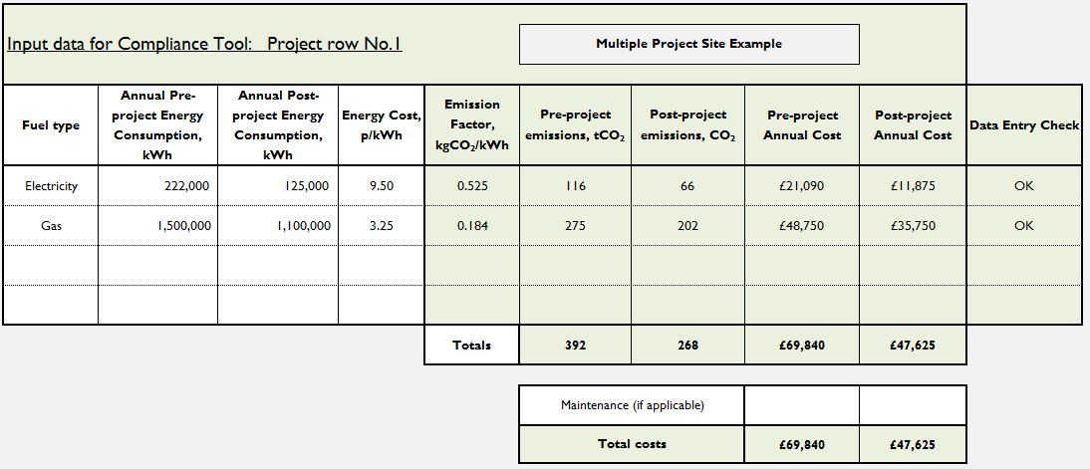

● Filling in this section the 'Project 1 data input' tab this will automatically populate the fields in the 'Project Compliance Tool' tab.

● Missing information for a work type will be flagged up in the 'Data Entry Check' column in the 'Project data input' tab or within the compliancy section in the 'Project Compliance Tool' tab. For example:

● Once all of the required information has been entered correctly, the cells to the right of section 1 will show the final project figures and whether or not the project is compliant

 |  | 

